Job Details

Job Number & Name: | 35084 LB Bexley
Site Number/Name: | Site 9 - Hurst Road
Client: | Waterman
Date: | 2023-03-30

Site Plan
Advanced Transport Research |  |  | Job Number & Name: | 35084 LB Bexley
Site 9 - Hurst Road |  |  | Date: | 2023-03-30

Job Type: | Pedestrian & Vehicle Count
Co-ordinates: | 51°26'27.03"N, 0° 8'31.40"E | Postcode: | DA5 3LH |  | Times: | 0730-0930 1430-1630

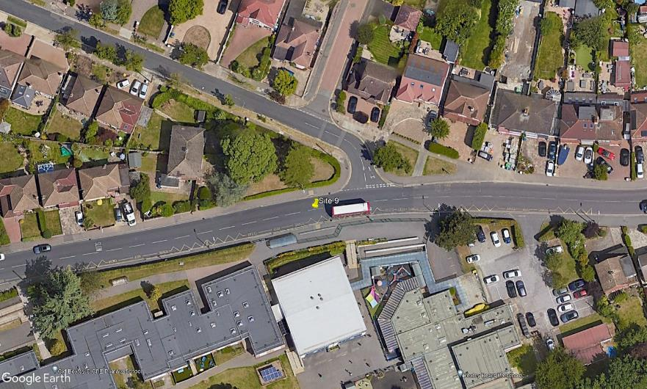
N

Parkwood Road

2

1
D
A
B
3

Hurst Road
C

